Sheet1
REF | IMAGE | DESCRIPTION | FULL DESCRIPTION | BARCODE | QTY | 2.2M PALLET | RRP | ONLINE PRICES
TBS650GL | 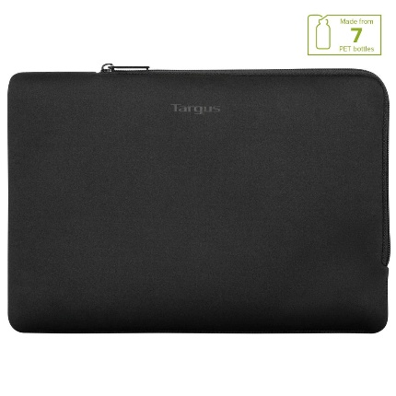 | 11-12" MultiFit Sleeve Black |  | 5051794034103 | 4,152 | 3 | £19.99 | £19.99 Amazon £19.99 Targus £14.99 Techinn
TBS65007GL | 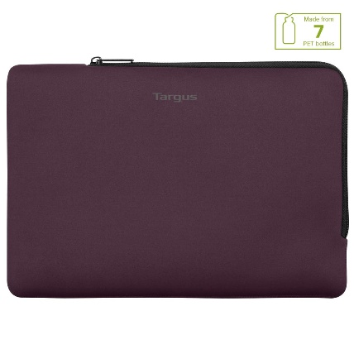 | 11-12" MultiFit Sleeve Fig |  | 5051794034097 | 3,888 | 3 | £19.99 | £19.99 Amazon £19.99 Targus £14.99 Techinn
TBS65002GL | 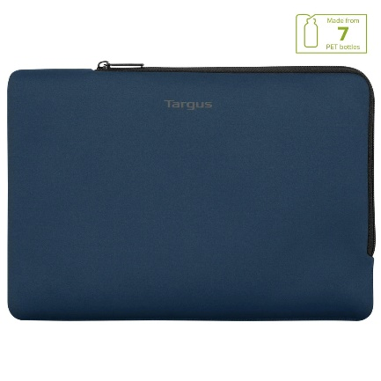 | 11-12" MultiFit Sleeve Blue |  | 5051794034073 | 3,105 | 3 | £19.99 | £19.99 Amazon £19.99 Targus £14.99 Techinn
TBS65005GL | 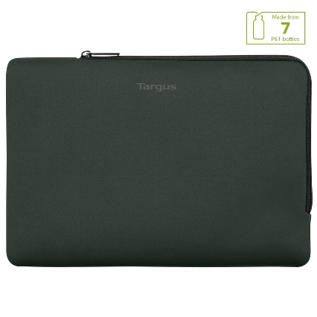 | 11-12" MultiFit Sleeve Thyme |  | 5051794034080 | 741 | 1 | £19.99 | £19.99 Amazon £19.99 Targus £14.99 Techinn
TBS952GL | 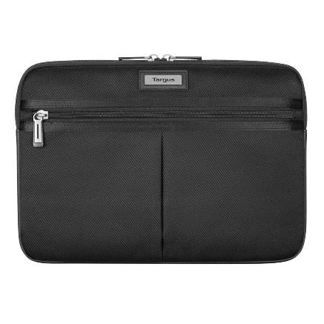 | 11-12" Mobile Elite Sleeve Black | 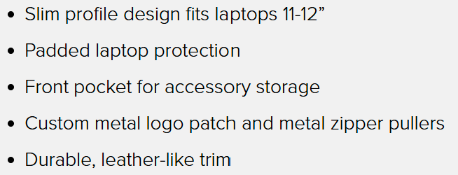 | 5051794034875 | 2,158 | 4 | £24.99 | £24.99 Amazon £24.99 Targus £24.99 Red brain
THZ85008GL | 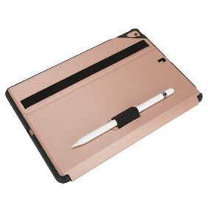 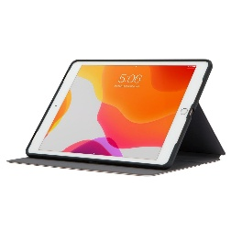 | Click In iPad 10.2 9th/8th/7th Generation Rose | 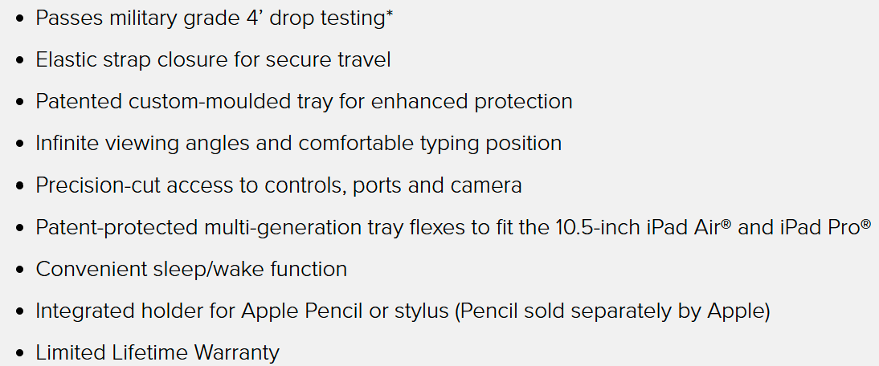 | 5051794029376 | 2,057 | 3 | £32.99 | £38.99 eurooffice £24.74 Argos £32.99 Targus
THD514GL | 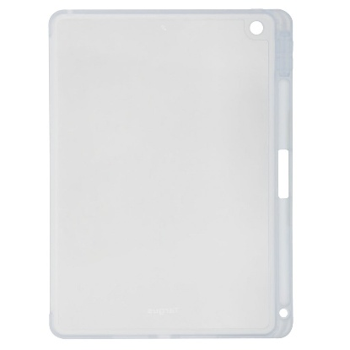 | SP Back Cover Antimicobial iPad 8th/7th Gen 10. | 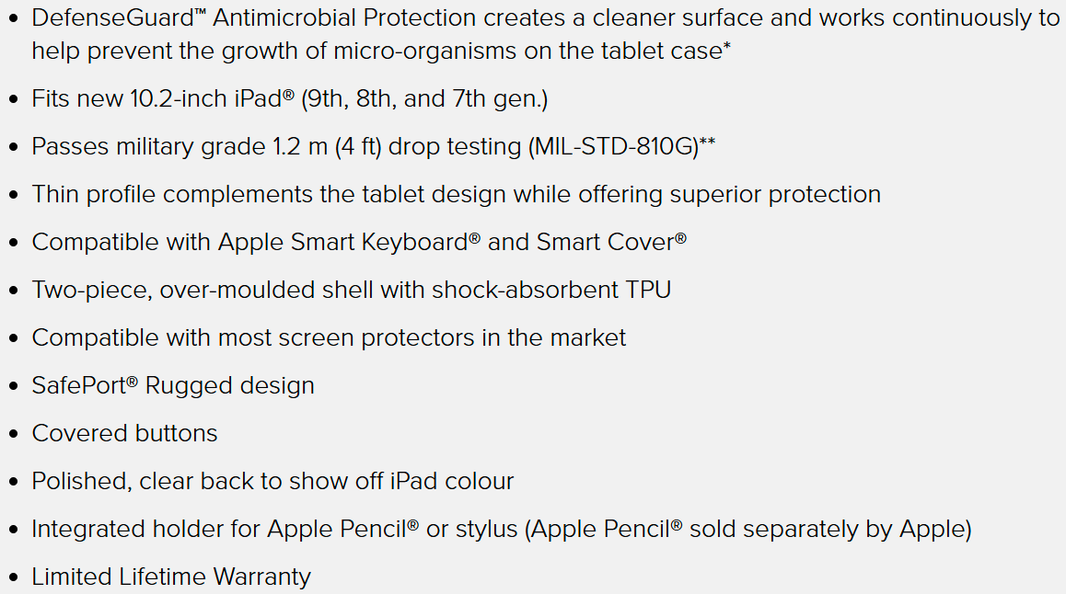 | 5051794036268 | 130 | 1 | £24.99 | £24.99 Targus £25.14 huntoffice £22.86 Amazon
 |  |  |  |  | 16,231

